1. Title Page
Instacart Grocery Basket Analysis

Project Name: Instacart Grocery Basket Analysis
Date: 3/1/2022
Analyst Name: Olivia Murphy

Contents:
Population Flow
Consistency checks
Wrangling steps
Column derivations
Visualizations
Recommendations

2. Population Flow
 | Title page

Population flow

Orders_products_combined
Orders_products_merged
Orders_products_all
Orders_products_departments_final

Total:32433030
Total: 32434489
Total:
Total: 32433030
32433030

1.) The grey boxes in the first row of the population flow represent the original data sets as they were when you downloaded them. In the Total fields you need to add the count of the rows when you imported the data set into Jupyter.
2.) The second row of boxes (coloured) represents the data sets after you manipulated them, e.g., removed missing values and duplicates. In the Total fields you need to add the count of the rows after conducting these operations. This offers a visual oveview of how the data flows throughout the data consistency checks.
3.) The third row, where also the arrows are coloured, represents the merges you performed between the datasets. In the Total fields you need to add the count of the rows in the merged datasets, so that you end up with the final dataset (in the red box). Keep in mind the final dataset should be without exclusions (based on the exclusion flag).

3. Consistency checks
 |  |  |  |  |  |  | Title page
Consistency checks

Dataset | Missing values | Missing values treatment | Duplicates | Inaccuracies | Mixed-type | Notes
orders | days_since_prior_order: 206209 missing | left alone - customers may have only ordered once | None | there are item prices over 100 | None | item prices over 100 have been excluded (overwitten as nan)
products | None | None | product id = 462, 18458, 26808, 35306, 35491 |  | product_name | converted to str
orders_products_prior | None | None | None | None | None | None
customers | None | None | None | None | None | would recommend the company rethinks the fam_status categories
departments | Missing 69145 values | left alone - missing values under 'missing' department | None | None | None

4. Wrangling steps
 |  |  |  | Title page
Wrangling steps

Dataset: orders
Columns dropped | Columns renamed | Columns' type changed | Comment/Reason
eval_set |  |  | not needed for analysis
 | order_dow to orders_day_of_week |  | orders_day_of_week' is easier to understand
 |  | order_id | changed to string as the order number represents a specific order
 |  | user_id | changed to string as the user id represents a specific user
 | days_since_prior_order' to | days_passed_since_last_order | days_passed_since_last_order easier to understand

Dataset: customer
Columns dropped | Columns renamed | Columns' type changed | Comment/Reason
First Name', 'Surnam' |  |  | not needed for analysis. User_id will suffice
 | STATE to state |  | so the variable name isn't in all caps
 | Gender to gender
 | Age to age
 | fam_status to family_status
 | n_dependants to number_of dependants
 |  | user_id to str

Dataset: products
Columns dropped | Columns renamed | Columns' type changed | Comment/Reason
 |  | aisle_id changed to str
 |  | department_id changed to str

Dataset: orders_products_prior
Columns dropped | Columns renamed | Columns' type changed | Comment/Reason
 |  | order_id changed to str
 |  | product_id changed to str

Dataset: department
Columns dropped | Columns renamed | Columns' type changed | Comment/Reason
 |  |  | dataframe transposed

5. Column derivations
 |  |  |  | Title page

Column derivations and aggregations

Dataset | New column | Column/s it was derived from | Conditions
orders_products_departments_final | price_range_loc | prices | prices<= 5: 'Low-range product', prices>5 & <=15: ' Mid range product', prices >1 5: 'High-range product',
orders_products_departments_final | busiest day | orders_day_of_week | if orders_day_of_week = 0: busiest day, if orders_day_of_week = 4: least busy , otherwise: Regularly busy
orders_products_departments_final | busiest days | orders_day_of_week | if orders_day_of_week = 0 or 1: busiest day, if orders_day_of_week = 4 or 3: least busy , otherwise: Regularly busy
orders_products_departments_final | busiest_period_of_day | order_hour_of_day | if order_hour_of_day = 10: Most orders, if order_hour_of_day = 3: Fewest orders , otherwise: Average orders
orders_products_departments_final | max_orders | user_id, order_number | orders_products_departments_final['max_orders'] = orders_products_departments_final.groupby(['user_id'])['order_number'].transform(np.max)
orders_products_departments_final | loyalty_flag | max_orders | if max_orders>40: Loyal Customer, if max_orders <=40 & >10: Regular customer, if max_orders < 10: New customer
orders_products_departments_final | average_spend | user_id, prices | orders_products_departments_final['average_spend'] = orders_products_departments_final.groupby('user_id')['prices'].transform(np.average)
orders_products_departments_final | spender_type | average_spend | if average spend<10: Low spender, if average spend >= 10: High spender
orders_products_departments_final | median_days_since_prior_order | user_id, days_passed_since_last_order | orders_products_departments_final['median_days_since_prior_order'] = orders_products_departments_final.groupby('user_id')['days_passed_since_last_order'].transform(np.median)
orders_products_departments_final | Frequent customer? | median_days_since_prior_order | if median_days_since_prior_order > 20: Non-frequent customer, if median_days_since_prior_order <= 10: Frequent customer, if median_days_since_prior_order <= 20 & > 10: Regular customer
orders_products_departments_final | region | state | Region 1 (Northeast): Maine, New Hampshire, Vermont, Massachusetts, Rhode Island, Connecticut, New York, Pennsylvania, New Jersey Region 2 (Midwest): Wisconsin, Michigan, Illinois, Indiana, Ohio, North Dakota, South Dakota, Nebraska, Kansas, Minnesota, Iowa, Missouri Region 3 (South): Delaware, Maryland, District of Columbia, Virginia, West Virginia, North Carolina, South Carolina, Georgia, Florida, Kentucky, Tennessee, Mississippi, Alabama, Oklahoma, Texas, Arkansas, Louisiana Region 4 (West): Idaho, Montana, Wyoming, Nevada, Utah, Colorado, Arizona, New Mexico, Alaska, Washington, Oregon, California, Hawaii
orders_products_departments_final_agg | Total customers | spender_type | region_spending_crosstab['High spender'] + region_spending_crosstab['Low spender']
orders_products_departments_final_agg | High spenders percentage | spender_type, Total customers | high_spender_percentage_list = (region_spending_crosstab['High spender']/region_spending_crosstab['Total customers'])*100
orders_products_departments_final_agg | Low spenders percentage | spender_type, Total customers | low_spender_percentage_list = (region_spending_crosstab['Low spender']/region_spending_crosstab['Total customers'])*100
orders_products_departments_final_agg | activity_flag | max_orders | if max_orders < 5: low activity, if max_orders > = 5: normal/high activity, else: error
orders_products_departments_final_agg | total_spend_2 | total_spend | total_spend = total_spend_2
orders_products_departments_final_agg | number_of_visits_2 | number_of_visits | number_of_visits = number_of_visits_2
orders_products_departments_final_agg | average_spend | number_of_visits_2, total_spend_2 | total_spend_2/number_of_visits_2

6. Visualizations
 |  |  |  |  |  |  |  |  | Title page

Visualisations

In this tab you should include all the visualtions from Exercises 4.9 and 4.10, alongside the questions from the project brief that they answer. Include any commentary on the relationship between different variables.
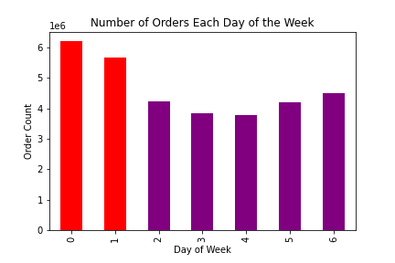
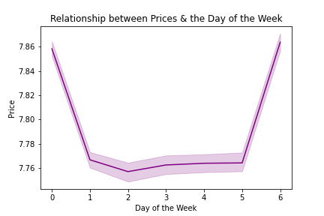
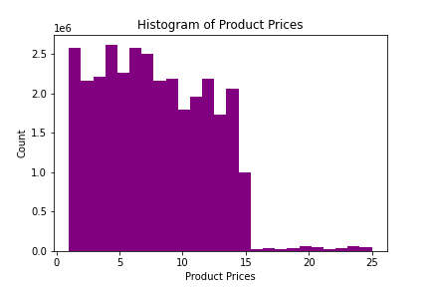
Orders Visualizations
 | The sales team needs to know what the busiest days of the week and hours of the day are (i.e., the days and times with the most orders) in order to schedule ads at times when there are fewer orders.

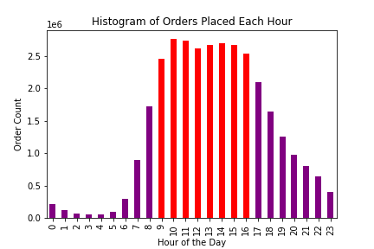
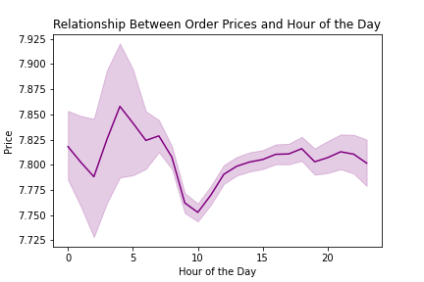
 | Sunday & Monday experience the highest amount of orders.
 |  |  | Prices are highest on Saturday & Sunday.
 |  |  |  |  | The majority of prices fall below $15.

 | The histogram demostrates that the busiest hours of the day tend to fall between typical work hours (9am-5pm) |  | There is a difference in price expedenture by each hour. Prices begin climbing around 10am. from 12 am until the early morning the margin of error is greater, probably due to less purchases being made at these times.

 | They also want to know whether there are particular times of the day when people spend the most money, as this might inform the type of products they advertise at these times.
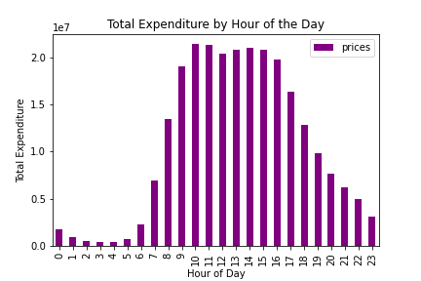

 | The most spending is done between 9am to 5pm. This spending pattern makes sense, as this period is when the most orders are placed.

 | Instacart has a lot of products with different price tags. Marketing and sales want to use simpler price range groupings to help direct their efforts.

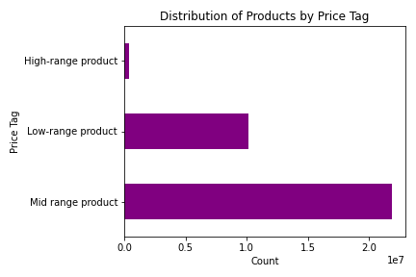

 | New price tags: Low-range product, Mid range product, High-range product. |  |  | Prices are highest on Saturday and Sunday. During the weekdays, prices are lower.
 | Most products fall into the Mid range of prices.

 | Are there certain types of products that are more popular than others? The marketing and sales teams want to know which departments have the highest frequency of product orders.
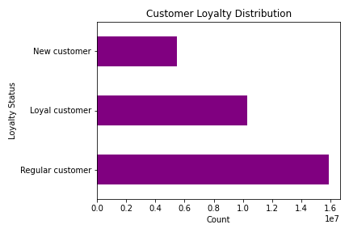
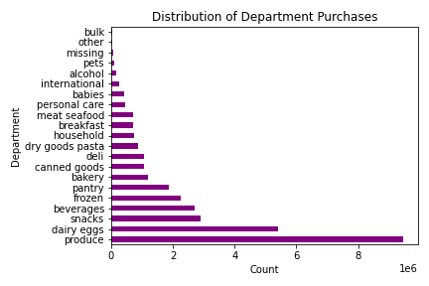

 | Products in the produce & dairy eggs section are purchased most often. |  | Regular Customers make up the largest segment of InstaCart customers.

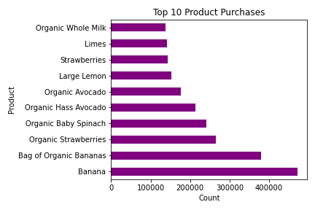
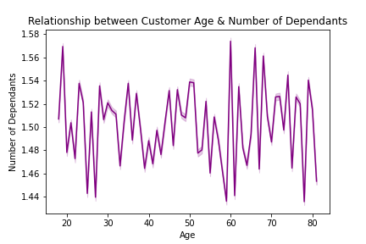
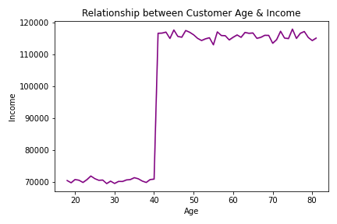

 | Bananas are the most frequently purchased product. Note, the top 10 most purchased items are in the produce & dairy eggs departments. |  | There does not seem to be a strong connection between age & number of dependants. This makes sense because adults of all age ranges have children. |  |  | There is a relationship between spending power of age & spending power. After the age of 40, spending power greatly increases.

 | The marketing and sales teams are particularly interested in the different types of customers in their system and how their ordering behaviors differ. For example:

 | What’s the distribution among users in regards to their brand loyalty (i.e., how often do they return to Instacart)?
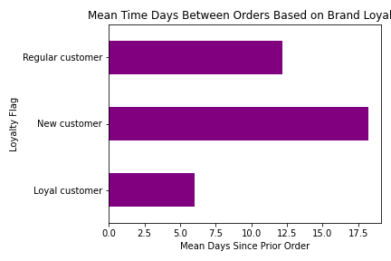

 | New customers have the longest mean time between orders

 | Are there differences in ordering habits based on a customer’s loyalty status?
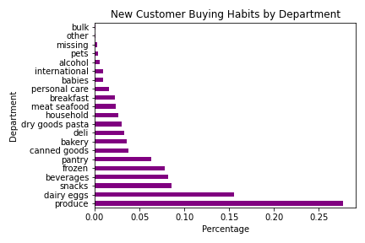
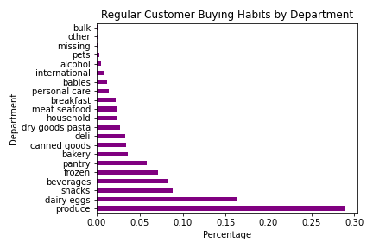
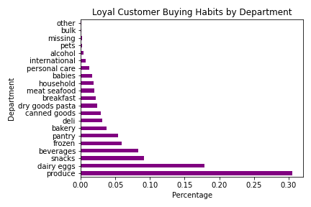

 |  |  |  |  |  |  |  | Median Spend
 |  |  |  |  |  |  |  | reg_cust_grouped median spend |  | 65.6
 |  |  |  |  |  |  |  | new_cust_grouped |  | 62.5
 |  |  |  |  |  |  |  | loyal_cust_grouped.median() |  | 63.7

 |  |  | New customers, regular customers, and loyal customers all have similar ordering habits.

 | Are there differences in ordering habits based on a customer’s region?
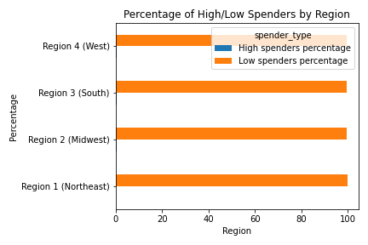

 |  | region | High spenders percentage | Low spenders percentage
 |  | Region 1 (Northeast) | 0.32158949033 | 99.67841051
 |  | Region 2 (Midwest) | 0.39234872506 | 99.607651275
 |  | Region 3 (South) | 0.38524360575 | 99.614756394
 |  | Region 4 (West) | 0.38596684898 | 99.614033151

 | All regions have a similar ratio of High Spenders to Low Spenders in them
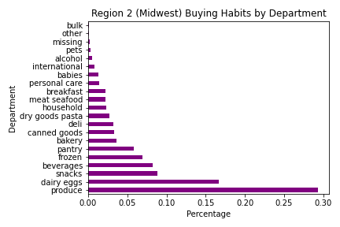
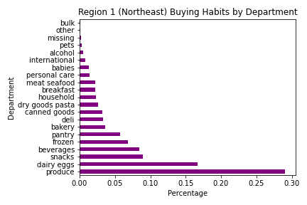

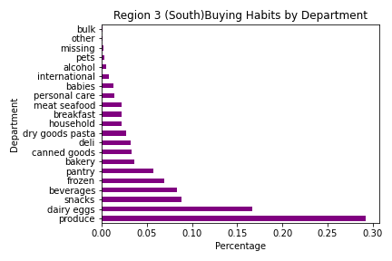


 | All regions have similar buying habits.

 | Is there a connection between age and family status in terms of ordering habits?

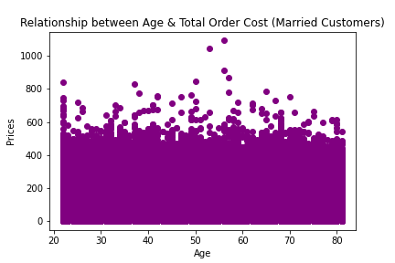
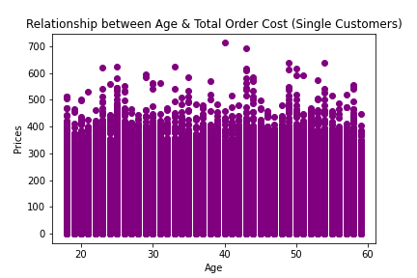

 |  |  |  | grouped_married
 |  |  |  | grouped_single

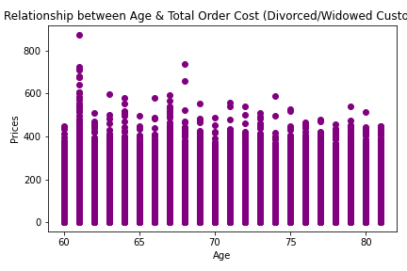
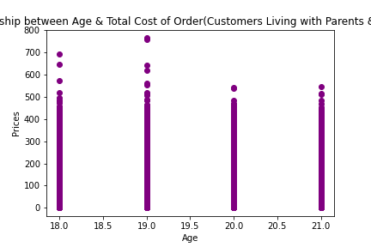

 | Not really. All ages have customers having similar sized orders.

 | What different classifications does the demographic information suggest? Age? Income? Certain types of goods? Family status?
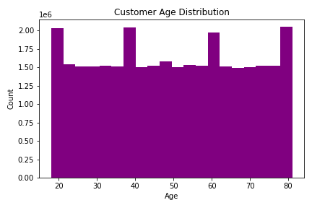
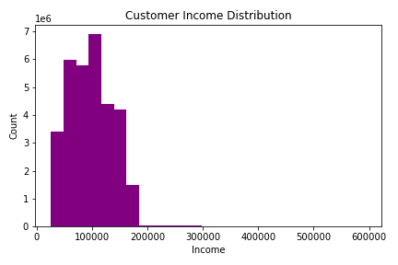
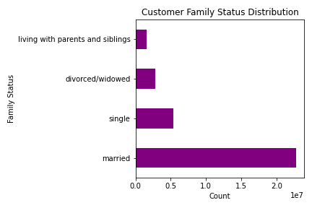

 | InstaCart has customers of all ages |  | A lot of the customers of Instacart are have a middle level of income (see below for more information). Very few customers are considered to have a low income. |  |  | Married customers make up the largest portion of customers, based on family status. | Items in the product & dairy eggs section are the most frequently ordered |  |  | The products above are the most frequently purchased.

 | What differences can you find in ordering habits of different customer profiles? Consider the price of orders, the frequency of orders, the products customers are ordering, and anything else you can think of. | #7
 | Note, to answer the above questions, customer profiles were made based on income & gender. These profiles are as follows: Low Income Male, Low Income Female, Middle Income Male, Middle Income Female, High Income Male, High Income Female. Based on the charts below, it is likely income is affecting the shopping behaviors seen in these profiles more than gender.

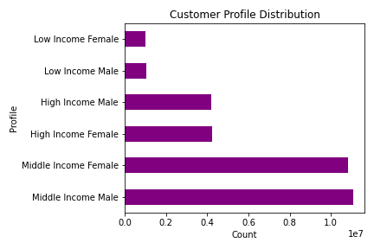

 | Middle income males & females make up the biggest portion of the InstaCart customer base.

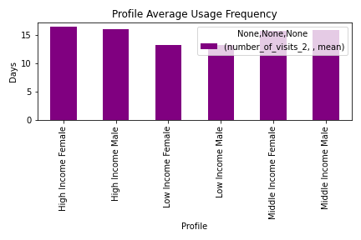

 | Low Income Males & Femailes visit less frequently than their Middle & High Income counter parts.
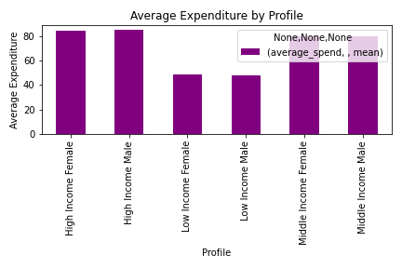

 | Low Income Males & Femailes spend less on average than their Middle & High Income counter parts.
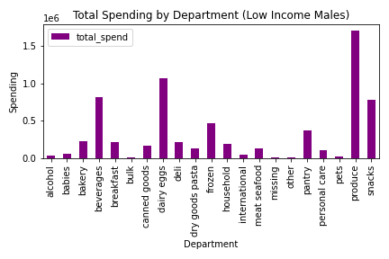
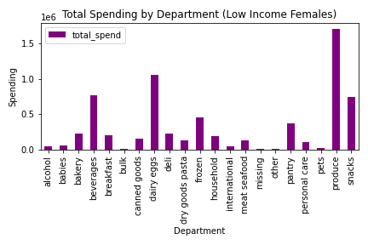

 |  | # 8

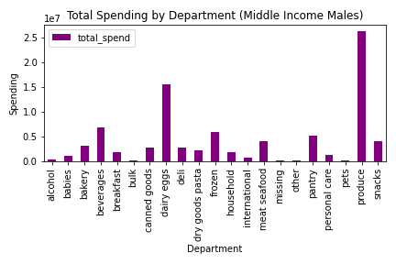
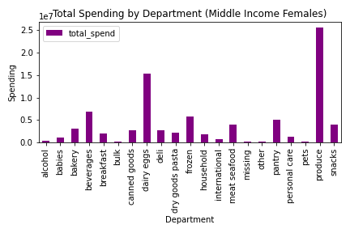




 | All profiles have similar spending patterns, in terms of which departments they typically spend the most/least money in.

7. Recommendations
 |  |  | Title page

Recommendations

Ads should be targeted towards the following audiences: middle income people, married people, those who are already customers.

 | Why target those who have a middle level of income?

 | Middle income customers make up the biggest portion of customers when looking at how the Instacart customer base breaksdown by income level

 |  | Those with a mid level of income also spend quite a bit on average per visit.

 | Why target those who are married?

 | Married customers by far make up the largest portion of customers, when looking at the family status of a customer

 | Why target those who are already customers?

 |  | While gaining new customers is always a positive, loyal customers and regular customers make up much more of the customer base when looking at customer loyalty.

 | Ads, promotions, and recommendations offered on dairy eggs and produce products will likely go over well. In particular, ads/promotions/recommendations for organic whole milk, limes, strawberries, large lemons, organic avocados, organic baby spinach, organic strawberries, bags of organic bananas, and bananas may do well.

 | Products in the produce & dairy eggs section are purchased most often.

 |  | Bananas are the most frequently purchased product. Note, the top 10 most purchased items are in the produce & dairy eggs departments.

 | Bulk, pets, alcohol, and international are departments where sales that can be much improved. It could be beneficial to focus on building sales in these departments.

 | Bulk, pets, alcohol, and international are identifiable departments that sales can be approved upon to increase revenue.

